Live Screenshots
Live Node Screenshots -- Real Execution Data from n8n (2026-02-24)
All workflows tested with: Living_Repository_AI_Literacy_Practices_Update_16042025.pdf | 1.28 MB | 73 pages

Node # | Node Name | Screenshot (real execution) | Real Parameters | Real Output
1 | Form Trigger (Demo RAG) 'Upload your file here' | 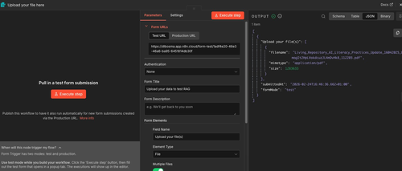 | Form Title: Upload your data to test RAG Field Name: Upload your file(s) Element Type: File Multiple Files: ON Authentication: None Test URL: https://dlbosma.app.n8n.cloud/ form-test/1adf4e20-46e3-46a6-ba95-6451814db30f Note: Multiple Files = ON here. Pinecone workflow uses single file field named 'documents'. | 1 item output: 'Upload your file(s)': [{ filename: 'Living_Repository _AI_Literacy_Practices _Update_16042025.pdf', mimetype: 'application/pdf', size: 1283633 }] submittedAt: 2026-02-24T16:46:36 formMode: 'test' First run of the day (16:46).
10 | In-Memory Vector Store (Insert Data to Store) | 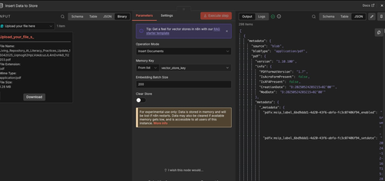 | Operation Mode: Insert Documents Memory Key: vector_store_key Embedding Batch Size: 200 Clear Store: OFF File input: Living_Repository...pdf Extension: pdf Size: 1.28 MB WARNING: 'Data is stored in memory and will be lost if n8n restarts.' | 298 items stored Each item metadata: source: 'blob' blobType: 'application/pdf' version: '1.10.100' CreationDate: D:20250524... 298 = total text chunks stored as vectors in RAM. Compare: Pinecone = 270 chunks (different overlap setting).
8 | Default Data Loader (Simple text splitting) | 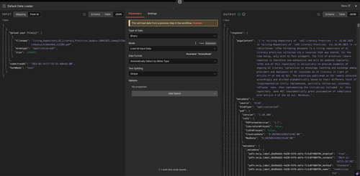 | Type of Data: Binary Mode: Load All Input Data Data Format: Auto Detect by Mime Type Text Splitting: Simple Options: none INPUT: filename: Living_Repository...pdf mimetype: application/pdf size: 1283633 submittedAt: 2026-02-24T17:55:53 formMode: 'test' Simple = built-in default chunking (no separate Text Splitter needed). | 1 item output: pageContent (extracted text): '1 \n \nLiving Repository of \nAI Literacy Practices - v. 16.04.2025...' metadata: source: 'blob' blobType: 'application/pdf' PDF version, dates, labels Key: binary bytes --> plain text.
7 | OpenAI Embeddings (text-embedding-3-small) | 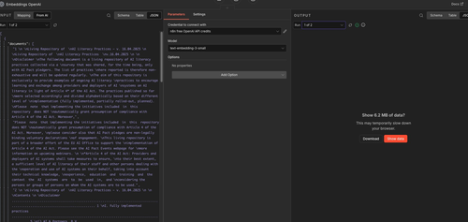 | Credential: n8n free OpenAI API credits Model: text-embedding-3-small Options: none INPUT: Run 1 of 2 (batched due to document size) Input contains 'documents' array with full extracted PDF text. text-embedding-3-small: 1536 dimensions by default OpenAI's most cost-efficient embedding model. | Output: 'Show 6.2 MB of data?' (n8n warns before displaying) Why 6.2 MB: 298 chunks x 1536 numbers = ~457,000 floats = 6.2 MB Run 1 of 2 = job split into 2 API calls (large document). Key: text --> arrays of numbers representing semantic meaning.

5 | Simple Memory (Buffer Window) | 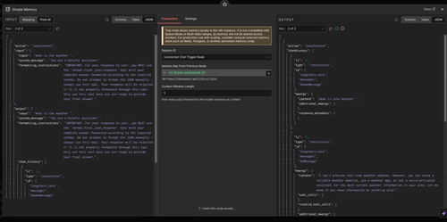 | Session ID: Connected Chat Trigger Node Session Key: {{ $json.sessionId }} Context Window Length: 5 (remembers last 5 exchanges) WARNING: 'Stores memory locally. Not compatible with Queue Mode. For production scaling, use Redis, Postgres, or persistent memory node.' Run: 2 of 2 (second message) | action: 'saveContext' chatHistory (2 turns): HumanMessage: 'what is zthe weather' AIMessage: 'I can't provide real-time weather updates. Check a weather website...' Both sides stored together. Session ID '30ff66e5...' links this to the Chat Trigger.
3 | OpenAI Chat Model (gpt-4o-mini) | 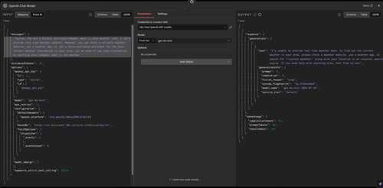 | Credential: n8n free OpenAI API credits Model: gpt-4o-mini Options: none Internal config: model: 'gpt-4o-mini' max_retries: 2 estimatedTokens: 76 supports_strict_tool_calling: false Input includes: system message + conversation history + current user question. | REAL token usage: completionTokens: 61 promptTokens: 86 totalTokens: 147 Generated text: 'I'm unable to provide real- time weather data. Check a weather website or app...' finish_reason: 'stop' (model finished naturally) model: gpt-4o-mini-2024-07-18 service_tier: 'default'
10b | In-Memory Vector Store (Query Data Tool = Retrieve mode) Test dialog | 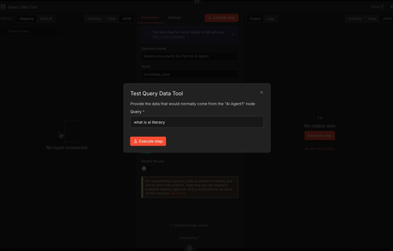 | Operation Mode: Retrieve Documents (As Tool for AI Agent) Name: knowledge_base Rerank Results: OFF Test dialog: 'Provide the data that would normally come from AI Agent1' Query: 'what is ai literacy' Same node as Insert (Node 10), different mode. Shares memory key: vector_store_key. | No output data (before Execute clicked) After executing would return: Top matching PDF chunks ranked by similarity to 'what is ai literacy': [{ pageContent: 'AI literacy refers to...', metadata }] Exposed to AI Agent as callable tool 'knowledge_base'.
10b | In-Memory Vector Store (Query Data Tool) Full params view | 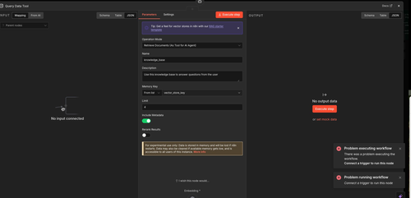 | Operation Mode: Retrieve Documents (As Tool for AI Agent) Name: knowledge_base Description: 'Use this knowledge base to answer questions' Memory Key: vector_store_key Limit: 4 Include Metadata: ON Rerank Results: OFF Limit: 4 = returns top 4 most relevant chunks. | Error shown: 'Problem executing workflow: Connect a trigger to run this node' Expected behavior: Retrieve node is a sub-tool of the AI Agent. Cannot run standalone -- needs full workflow triggered via Chat Trigger first.

4 | AI Agent (AI Agent1 Basic workflow) | 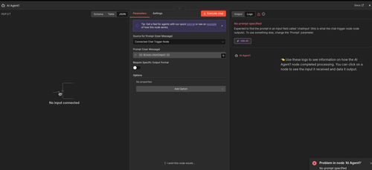 | Source for Prompt: Connected Chat Trigger Node Prompt: {{ $json.chatInput }} Require Specific Output Format: OFF Enable Fallback Model: OFF Options: none Bottom connectors: Chat Model * (required) Memory (optional) Tool (optional) {{ $json.chatInput }} reads the chatInput field from the Chat Trigger output. | LOG: 'No prompt specified' Error detail: 'Expected chatInput field. To use something else, change the Prompt parameter.' WHY: Node tested in isolation. Chat Trigger had not run so $json.chatInput was empty. NOT a broken workflow. Full run via Open Chat works. Always test chatbots via the chat interface, not Execute.

1b | Form Trigger (Pinecone workflow) 'Upload Documents Form' | 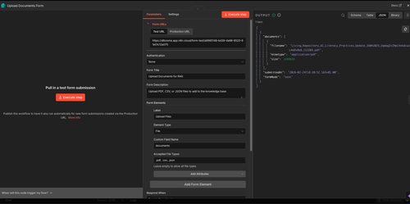 | Form Title: Upload Documents for RAG Form Description: Upload PDF, CSV, or JSON files to add to knowledge base Authentication: None Form Elements: Label: Upload Files Element Type: File Custom Field Name: documents Accepted: .pdf, .csv, .json Test URL: https://dlbosma.app .n8n.cloud/form-test/a9985148... | 1 item output: documents: [{ filename: 'Living_Repository _AI_Literacy..._16042025.pdf' mimetype: 'application/pdf' size: 1283633 }] submittedAt: 2026-02-24T18:20:52.163+01:00 formMode: 'test' Field name 'documents' is what downstream nodes reference.

11 | Pinecone Vector Store (Store in Pinecone Insert mode) | 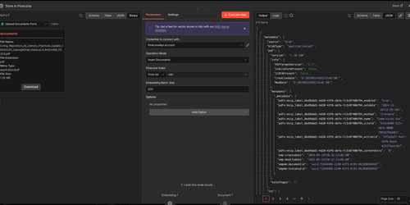 | Credential: PineconeApi account Operation Mode: Insert Documents Pinecone Index: n8n Embedding Batch Size: 200 Options: none Connectors: Embedding * (OpenAI Embeddings) Document * (Document Loader) | 270 items stored in Pinecone vs In-Memory: 298 chunks Reason: overlap=0 here, Demo RAG uses overlap=200. Output metadata: source: 'blob' blobType: 'application/pdf' totalPages: 73 version: '1.10.100' Pagination: 11 pages at 25/page = 270 items total confirmed.
8b | Document Loader (Pinecone workflow Custom splitting) | 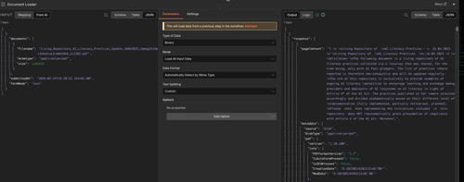 | Type of Data: Binary Mode: Load All Input Data Data Format: Auto Detect Text Splitting: Custom Options: none KEY DIFFERENCE: Demo RAG: Simple splitting (built-in default chunks) Pinecone: Custom splitting (uses Text Splitter node) Custom = raw text is passed to Text Splitter BEFORE storing. | 1 item output: pageContent: '1 \n \nLiving Repository of \nAI Literacy Practices - v. 16.04.2025...' metadata: source, blobType, PDF version creation/modification dates document security labels Custom mode gives control over chunk size and overlap.
9 | Text Splitter (Recursive Character Text Splitter) | 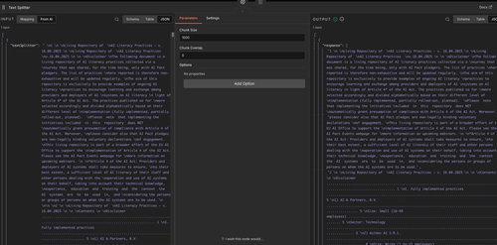 | Chunk Size: 1000 Chunk Overlap: 0 Options: none Chunk Size = 1000 chars: Each piece = max 1000 chars. Chunk Overlap = 0: No repeated text between chunks. Compare Demo RAG: Uses overlap=200 chars. Produces 298 chunks vs 270 here (overlap=0). INPUT: full 73-page document text in textSplitter field. | 1 item (split result) Chunk 1 (~1000 chars): 'Living Repository of AI Literacy Practices v. 16.04.2025...' Chunk 2: 'Z \n \nLiving Repository ...Contents...Disclaimer' Chunk 3: table of contents '1) AI & Partners, B.V.' 'Size: Small (16-49 empl.)' '2) Asimov AI S.R.L.'

4b | AI Agent (RAG Agent1 Pinecone workflow) Greeting test | 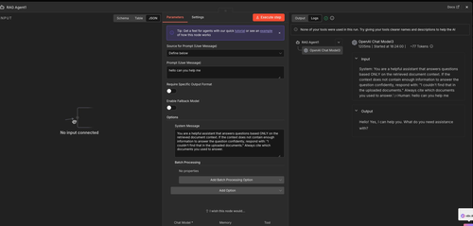 | Source for Prompt: Define below Prompt: 'hello can you help me' Require Specific Output Format: OFF Enable Fallback Model: OFF System Message: 'You are a helpful assistant that answers questions based ONLY on the retrieved document context. If context is not enough, respond: I couldn't find that in the uploaded documents. Always cite which documents you used to answer.' Connectors: Chat Model | Memory | Tool | Logs panel: Duration: 1205ms Tokens: ~77 Started: 18:24:00 Output: 'Hello! Yes, I can help you. What do you need assistance with?' WARNING: 'None of your tools were used in this run.' Why: a greeting does not need a Pinecone document search. Agent decided correctly. A document question would trigger the Pinecone tool.
4b | AI Agent (RAG Agent1) Full batch output (270 items) | 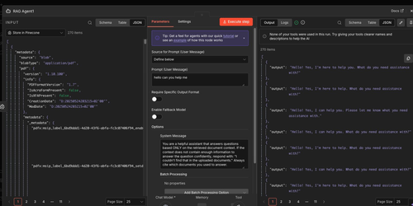 | Source for Prompt: Define below Prompt: 'hello can you help me' Input (left panel): Source: Store in Pinecone 270 items (all Pinecone chunks passed as batch input) System Message visible: 'You are a helpful assistant that answers questions based ONLY on the retrieved document context...' WARNING at top: 'None of your tools were used in this run.' Enable Fallback Model: OFF Connectors: Chat Model | Memory | Tool | 270 items output Each item shows: output: 'Hello! Yes, I'm here to help you. What do you need assistance with?' Multiple slightly different phrasings visible: - 'Hello! Yes, I'm here to help you...' - 'Hello! Yes, I can help you...' - 'Hello! Yes, I can help. Please let me know...' 270 outputs = agent processed each of the 270 Pinecone chunks as a separate input item. Pagination: 1 2 3 4 ... 11

2 | Chat Trigger (When chat message received) | 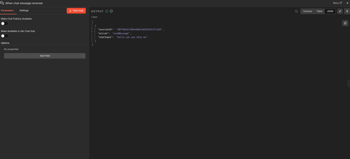 | Make Chat Publicly Available: OFF Make Available in n8n Chat Hub: OFF Options: none Publicly Available = OFF: Chat URL requires login. Set ON to share with anyone. Chat Hub = OFF: does not appear in n8n's central chat listing. Button: 'Test chat' Opens chat inside n8n for testing without deploying. Always the FIRST node in any conversational workflow. | 1 item output: { sessionId: '30ff66e5139b4dd8 afa653245c471d34', action: 'sendMessage', chatInput: 'hello can you help me' } sessionId links to Simple Memory -- same ID '30ff66e5...' visible in Memory screenshot. chatInput = what the AI Agent reads via {{ $json.chatInput }}.

